Sheet1
 |  |  |  |  | PCA
 |  |  |  |  | Principal Component Analysis

Step1
Data Set

 | 4 dimensions |  |  |  |  |  | 4 dimensions |  |  |  |  |  | 2 dimensions

 | f1 | f2 | f3 | f4 |  |  | PC1 | PC2 | PC3 | PC4 |  |  | PC1 | PC2 | PC3 | PC4
 | 1 | 2 | 3 | 4 |  | PCA | 0.01 | 0.8 | 0.9 | 0.8 |  |  | 0.01 | 0.8
 | 5 | 5 | 6 | 7 |  |  | 2 | 2 | 1 | 3 |  |  | 2 | 2
 | 1 | 4 | 2 | 3 |  |  | 3 | 0.7 | 0.7 | 0.8 |  |  | 3 | 0.7
 | 5 | 3 | 2 | 1 |  |  | 0.5 | 0.5 | 0.5 | 0.5 |  |  | 0.5 | 0.5
 | 8 | 1 | 2 | 2 |  |  | 0.4 | 0.4 | 0.4 | 0.4 |  |  | 0.4 | 0.4
 | more number of rows
mean | 4 | 3 | 3 | 3.4 |  |  | 90% of my data is represented by the above 2 columns
std | 3 | 1.5811388301 | 1.7320508076 | 2.3021728866
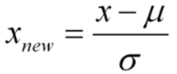
Step2
Standardize the data |  |  | using the z score forumula

 | f1 | f2 | f3 | f4
 | -1 | -0.63245553203 | 0 | 0.26062334566
 | 0.33333333333 | 1.2649110641 | 1.7320508076 | 1.5637400739
 | -1 | 0.63245553203 | -0.57735026919 | -0.17374889711
 | 0.33333333333 | 0 | -0.57735026919 | -1.0424933826
 | 1.3333333333 | -1.2649110641 | -0.57735026919 | -0.60812113987

 |  |  |  |  |  |  |  |  | Covarince Formula
Step3 | Variance and Covariance
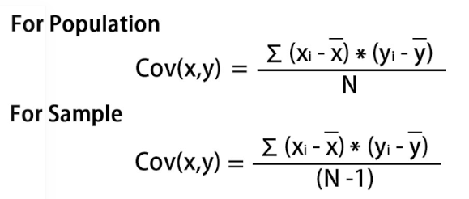

 |  |  |  | Variance and Covariance Matrix

 |  | Calculate the value of F1 |  |  |  |  |  |  |  | f1 | f2 | f3 | f4
 |  |  |  |  |  |  |  |  | 1 | -1 | -0.63245553203 | 0 | 0.26062334566
Variance |  | var(f1) = ((-1.0-0)² + (0.33-0)² + (-1.0-0)² +(0.33–0)² +(1.33–0)²)/5 |  |  |  |  |  |  | 2 | 0.33333333333 | 1.2649110641 | 1.7320508076 | 1.5637400739
 |  | var (f1) = 0.8 |  |  |  |  |  |  | 3 | -1 | 0.63245553203 | -0.57735026919 | -0.17374889711
 |  |  | (used below) |  |  |  |  |  | 4 | 0.33333333333 | 0 | -0.57735026919 | -1.0424933826
 |  |  |  |  |  |  |  |  | 5 | 1.3333333333 | -1.2649110641 | -0.57735026919 | -0.60812113987

Covriance |  | cov(f1,f2) =
 |  | ((-1.0–0)*(-0.632456-0) +
 |  | (0.33–0)*(1.264911-0) +
 |  | (-1.0–0)* (0.632456-0)+
 |  | (0.33–0)*(0.000000 -0)+
 |  | (1.33–0)*(-1.264911–0))/5
 |  | cov(f1,f2 = -0.25298

 |  | Calculate the Eigen Values and Eigen Vectors

 |  | Aν-λν =0 ; (A-λI)ν = 0

 |  | det(A-λI) = 0

 |  | Eigen values
 |  | λ = 2.51579324 , 1.0652885 , 0.39388704 , 0.02503121

 |  | Eigenvectors:

 |  | Solving the (A-λI)ν = 0 equation for ν vector with different λ values:

 |  | For λ = 2.51579324, solving the above equation using Cramer's rule, the values for v vector are

 |  | v1 = 0.16195986
 |  | v2 = -0.52404813
 |  | v3 = -0.58589647
 |  | v4 = -0.59654663

